Sheet1
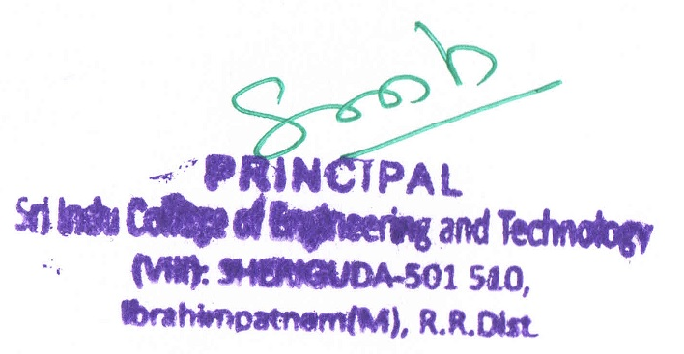

4.1.4 Details of expenditure for infrastructure augmentation excluding salary during the year (INR in lakhs)
4.4.1 Details of expenditure incurred on maintenance of physical facilities and academic support facilities excluding salary component during the year
Budget allocated for infrastructure augmentation | Expenditure for infrastructure augmentation | Expenditure on maintenance of academic facilities (excluding salary for human resources) | Expenditure on maintenance of physical facilities (excluding salary for human resources) | Total expenditure excluding salary
2600000 | 25996849 | 95232124 | 39482162 | 160711135

